Simulated data
10.21 | Mean Weight Loss (Incentive) | Mean Weight Loss (Control) | Difference in Means
1 | 10.41 | 8.63 | 1.78
1 | 9.62 | 9.34 | 0.28
1 | 12 | 6.65 | 5.35
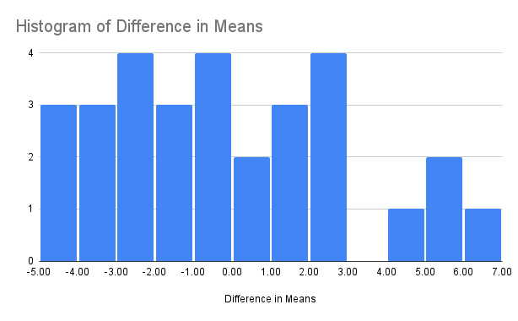
2 | 10.264706 | 8.763158 | 1.501548
2 | 7.5 | 11.23684 | -3.73684
2 | 12.970588 | 6.342105 | 6.628483
3 | 8.264706 | 10.552632 | -2.287926
3 | 9.294118 | 9.631579 | -0.337461
3 | 9.176471 | 9.736842 | -0.560371
4 | 8.764706 | 10.105263 | -1.340557
4 | 8.088235 | 10.710526 | -2.622291
4 | 6.911765 | 11.763158 | -4.851393
5 | 10.852941 | 8.236842 | 2.616099
5 | 7.088235 | 11.605263 | -4.517028
5 | 8.147059 | 10.657895 | -2.510836
6 | 10.21 | 8.647 | 1.563
6 | 11.647 | 7.526 | 4.121
6 | 10.794118 | 8.289474 | 2.504644
7 | 8.911765 | 9.973684 | -1.061919
7 | 9.294118 | 9.631579 | -0.337461
7 | 9.911765 | 9.078947 | 0.832818
8 | 8.588 | 10.263 | -1.675
8 | 10.97 | 8.131 | 2.839
8 | 7.705 | 11.052 | -3.347
9 | 7.764706 | 11 | -3.235294
9 | 6.852941 | 11.815789 | -4.962848
9 | 8.411765 | 10.421053 | -2.009288
10 | 10.684211 | 8.117647 | 2.566564
10 | 9.184211 | 9.794118 | -0.609907
10 | 12.078947 | 6.558824 | 5.520123

